Gender.Overview
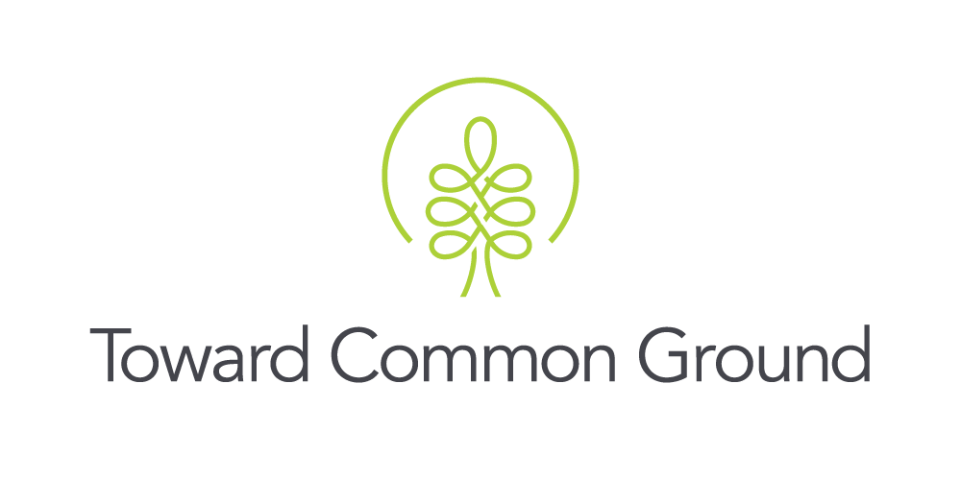

Local Demographic Highlights
Characteristic: Gender
Measure: Number of People who Identify as Men+ and Female+
Source: Census of the Population

About the Measure: The census of the population is mandatory and conducted once every five years. The census gathers information from all Canadian citizens, landed immigrants and non-permanent residents (people who have a work or student permit or refugee status). The census captures information from the entire population about demographic, social, and economic characteristics.* This measure presents the population of people in Guelph and Wellington County organized by whether they identify as a man, woman, or non-binary person (a person who is not exclusively a man or a woman). Given that the non-binary population is small, the data have been aggregated to a two-category gender variable (men+ and women+) to protect the confidentiality of responses provided. Individuals in the category "non-binary persons" have been distributed into the other two gender categories and are denoted by the "+" symbol. "Men+" includes people who identify as male and some non-binary persons. "Women+" includes people who identify as female and some non-binary persons.** *Source: Statistics Canada. (2016). Census of Population. http://www23.statcan.gc.ca/imdb/p2SV.pl?Function=getSurvey&SDDS=3901 **Source: Statistics Canada. (2022). 2021 Census gender note. https://www12.statcan.gc.ca/census-recensement/2021/ref/gender-genre-eng.cfm

Key Findings: The number of men+ and women+ in Guelph and Wellington County is similar, with slightly more women+ living in Guelph than men+.

Table 1: Number of Total Population who Identified as Men+ and Women+, 2021
 | Guelph | Wellington County (without Guelph) | Wellington County | Ontario | Canada
Men+ | 70,065 | 48,395 | 118,460 | 6,970,855 | 18,226,240
Women+ | 73,675 | 48,890 | 122,565 | 7,253,085 | 18,765,740
Total | 143,740 | 97,285 | 241,025 | 14,223,940 | 36,991,980
Source: Statistics Canada. (2022). (table). Census Profile. 2021 Census of Population. Statistics Canada Catalogue no. 98-316-X2021001. Ottawa. Released April 27, 2022. https://www12.statcan.gc.ca/census-recensement/2021/dp-pd/prof/index.cfm?Lang=E (accessed May 4, 2022).

Table 2: Percent of Total Population who Identified as Men+ and Women+, 2021
 | Guelph | Wellington County (without Guelph) | Wellington County | Ontario | Canada
Men+ | 48.7% | 49.7% | 49.1% | 49.0% | 49.3%
Women+ | 51.3% | 50.3% | 50.9% | 51.0% | 50.7%
Source: Statistics Canada. (2022). (table). Census Profile. 2021 Census of Population. Statistics Canada Catalogue no. 98-316-X2021001. Ottawa. Released April 27, 2022. https://www12.statcan.gc.ca/census-recensement/2021/dp-pd/prof/index.cfm?Lang=E (accessed May 4, 2022).

Notes: 1. Sex refers to "a set of biological attributes", whereas gender refers to "socially constructed roles, behaviours, expressions, and identities".*** Prior to the 2021 Census, information was gathered about sex (but not gender) according to two categories (male and female).**** For the 2021 Census, the sex question was revised to sex 'assigned at birth' (male, female) and a question about current gender (male, female, other) was added.***** Results of the gender question are presented in the tables above. Due to the difference between sex and gender, and revisions made to the 2021 Census, the 2021 Census data for gender cannot be compared to previous Census data for sex. 2. If you have any questions or concerns about these data, please contact: sarahh@towardcommonground.ca ***Source: Canadian Institutes of Health Research. (2020). What is sex? What is gender? https://cihr-irsc.gc.ca/e/48642.html ****Source: Statistics Canada. (2017). 2016 Census of Population: Age and sex release. https://www12.statcan.gc.ca/census-recensement/2016/ref/98-501/98-501-x2016002-eng.cfm *****Source: Statistics Canada. (2022). Filling the gaps: Information on gender in the 2021 Census. https://www12.statcan.gc.ca/census-recensement/2021/ref/98-20-0001/982000012021001-eng.cfm

Updated: June 13, 2022

