Sense of Belonging (2015-17)
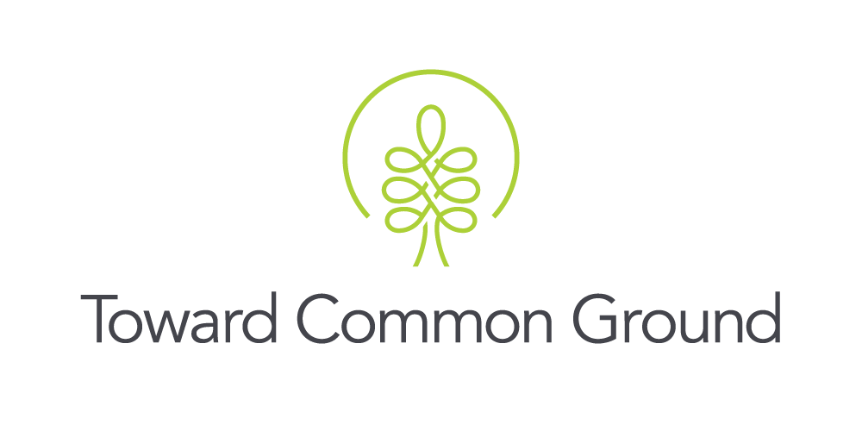

Domain: Belonging and Participation
Concept: Sense of Community Belonging
Indicator: Sense of Belonging
Measure: % of Residents who Reported Experiencing a very Strong or Somewhat Strong Sense of Belonging |  |  |  | 48
Source: Canadian Community Health Survey

About the Measure: Sense of community belonging was captured as part of the Canadian Community Health Survey (CCHS). The CCHS is a cross-sectional survey that collects information related to health status health care utilization and health determinants for the Canadian population and is conducted annually by Statistics Canada.* This information is gathered in question GEN_10, “How would you describe your sense of belonging to your local community? Would you say it is...?” For the purpose of this report, responses have been further categorized into “Somewhat or Very Strong Sense of Belonging” which includes the "Somewhat Strong" and "Very Strong" response categories; and “Somewhat or Very Weak Sense of Belonging”, which includes the "Somewhat Weak" and "Very Weak" response categories. For the purpose of this report, the response category "Not Stated" was not included in the analysis. The CCHS samples through probability sampling. Therefore, each person in the sample represents (besides themselves) several other persons in the sample. A sample weight is calculated based on the number of people that that person represents within the population. For example, in a random sample of 1% of the population, each person in the sample would represent 100 persons in the population. The proportions that are displayed have been estimated based on respondent responses and their corresponding population weights.* *Source: Statistics Canada (2015). Canadian Community Health Survey – Annual Component (CCHS). Retrieved from: http://www23.statcan.gc.ca/imdb/p2SV.pl?Function=getSurvey&SDDS=3226

Key Findings: From 2015 to 2017, the percent of people who reported their sense of belonging as somewhat or very strong in Wellington County (77%) was higher than in Guelph (68%) and Ontario (71%). People living in Guelph were least likely to report their sense of belonging as somewhat or very strong when compared to Wellington County and Ontario. Females in Guelph, Wellington and Ontario were more likely than males to rate their sense of belonging as somewhat or very strong.

Table 1: Sense of Community Belonging as Somewhat or Very Strong, Population (12+), Wellington County and Ontario, 2015 to 2017
 | Guelph | Wellington County*** | Ontario
2015-2017 | 68.0% | 76.5% | 71.1%
2015 | 67.3% | 72.4% | 70.3%
2016 | 66.3% | 81.0% | 71.3%
2017 | 70.4% | 76.7% | 71.7%
*** Wellington County does not include the City of Guelph in this table
SOURCE: Canadian Community Health Survey (CCHS). Statistics Canada, Annual Content (2015-2017), Ontario Share File distributed by the Ontario Ministry of Health and Long-Term Care.

Table 2: Sense of Community Belonging as Somewhat or Very Strong, By Gender, Population 12+, Wellington County and Ontario, 2015-2017 (combined)
 | Guelph | Wellington County*** | Ontario
Female | 72.8% | 78.2% | 71.9%
Male | 62.9% | 74.8% | 70.2%
*** Wellington County does not include the City of Guelph in this table
SOURCE: Canadian Community Health Survey (CCHS). Statistics Canada, Annual Content (2015-2017), Ontario Share File distributed by the Ontario Ministry of Health and Long-Term Care.

Notes:
1. If you have any questions or concerns about this data, please contact: sarahh@towardcommonground.ca
2. Prepared by: Wellington-Dufferin-Guelph Public Health. Last updated May 2019.

